Dashboard
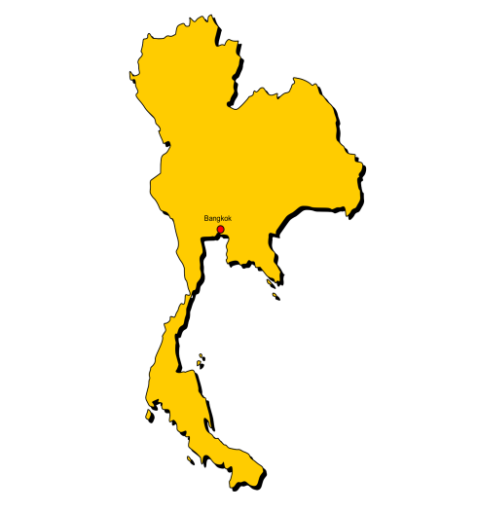
Fleet Management Transportation & Logistics
Dashboard 2022

Total Trips
24
Overview
Sadao, Thailand

Hired Transportation
5
Trips
Dashboard

Schedule
 | Total
Close | 16
Far | 6
Regular | 2
Total Expenses
Salaries | 12,100
Wages | 15,100
Total Salaries
Wages | 15,100
Salaries | 12,100
Total Wages
Close
Far
Regular
16
6
2
฿27,200
฿12,100
฿15,100
44%
56%
Drivers
Thai baht
Thai baht
Thai baht

Expenses by Month
t
 | Total
Jan | 800
Feb | 800
Mar | 2,200
Apr | 400
May | 600
Jun | 1,600
Jul | 800
Aug | 1,200
Sep | 400
Oct | 1,600
Nov | 400
Dec | 400
Wage's
Salary
Driver Income & Buddy Income
Per Trip Classify
 | Total
Jan | 3,200
Feb | 2,000
Mar | 4,000
Apr | 1,000
May | 1,400
Jun | 3,600
Jul | 2,200
Aug | 2,500
Sep | 1,000
Oct | 3,700
Nov | 1,600
Dec | 1,000
Driver
฿11,200
 | Sum of Driver wage/trip | Sum of Buddy wage/trip
Close | 6400 | 3100
Far | 4000 | 600
Regular | 800 | 200
฿11,200
Thai baht
 | Total
Jan | 800
Feb | 200
Mar | 400
Apr | 100
May | 100
Jun | 200
Jul | 300
Aug | 300
Sep | 100
Oct | 900
Nov | 400
Dec | 100
Buddy
฿3,900
Months
฿3,900
Thai baht

Trips by Month
 | Count of Month | Count of Month2
Jan | 2
Feb | 2 | 0%
Mar | 4 | 100%
Apr | 1 | -75%
May | 1 | 0%
Jun | 2 | 100%
Jul | 2 | 0%
Aug | 3 | 50%
Sep | 1 | -67%
Oct | 4 | 300%
Nov | 1 | -75%
Dec | 1 | 0%
Cargo types
 | Total
Woodchip | 12
Woodpellet | 12

Total Distance
Return
One-Way

868
km
8
Trips
16
Trips

Schedule
Fleet Management Transportation & Logistics
Dashboard 2022

Total Trips
24
Sadao, Thailand
Trips Schedule
Hired Transportation
Trips
5

Dashboard

Schedule
Work time requirements
1. Work Time
Work time applies to commercial vehicle drivers, including taxi drivers, transport services operators, organisations that employ or contract drivers, and transport logistics companies.
2. Break Time
Drivers must take a break of at least 30 minutes every 5.5 hours of work time. Work time includes loading and unloading the vehicle, maintaining and cleaning the vehicle, driving the vehicle .
3. Exceeding the work period
There are scenarios which are out of the driver’s control which could cause the work period to be exceeded, for example, a civil defence emergency, an incident attended by an emergency service such as a car accident, or urgent action to save life or prevent injury.
4. Emergency services drivers
In some circumstances, drivers of emergency vehicles, including volunteer ambulance and firefighters, can exceed the work time limits if they are attending priority calls.
Examples of calculating work time requirements.

Drivers
Trip | Date | Driver | Truck | From | To
1 | 2022-10-01 | Jaison | 72-1001/1002 | Air Port | X1 Port
2 | 2022-10-01 | Jaison | 72-1001/1002 | Air Port | X1 Port
3 | 2022-06-01 | Jaison | 72-1001/1002 | Alex | Top glove
4 | 2022-06-01 | Jaison | 72-1001/1002 | Alex | Top glove
5 | 2022-08-01 | Jaison | 72-1001/1002 | Gidec | Safeskin
6 | 2022-08-01 | Jaison | 72-1001/1002 | Gidec | Safeskin
7 | 2022-03-01 | Antoni | 72-0466/0467 | Gidec | Suies
8 | 2022-03-01 | Antoni | 72-0466/0467 | Gidec | Suies
9 | 2022-07-01 | Antoni | 72-0466/0467 | Giza | X1 Port
10 | 2022-07-01 | Antoni | 72-0466/0467 | Giza | X1 Port
Months
11 | 2022-02-01 | Jaison | 72-1001/1002 | Port Said | Safeskin
12 | 2022-02-01 | Jaison | 72-1001/1002 | Port Said | Safeskin
13 | 2022-12-01 | Jaison | 72-1001/1002 | PT | Safeskin
14 | 2022-10-01 | Jaison | 72-1001/1002 | PT | Safeskin
15 | 2022-08-01 | Antoni | 72-0466/0467 | Safeskin | Mina
16 | 2022-09-01 | Antoni | 72-0466/0467 | Safeskin | Mina
17 | 2022-03-01 | Jaison | 72-1001/1002 | Safeskin | X1 Port
18 | 2022-04-01 | Jaison | 72-1001/1002 | Safeskin | X1 Port
19 | 2022-03-01 | Antoni | 72-0466/0467 | Top glove | X1 Port
20 | 2022-05-01 | Antoni | 72-0466/0467 | Top glove | X1 Port
21 | 2022-01-01 | Antoni | 72-0466/0467 | Xunthai | Gidec
22 | 2022-11-01 | Antoni | 72-0466/0467 | Xunthai | Gidec

